1. Title Page
Market Basket Analysis

Project Name: Instacart Market Basket Analysis
Date: October 12, 2023
Analyst Name: April Labaro

Contents:
Population Flow
Consistency checks
Wrangling steps
Column derivations
Visualizations
Recommendations

Citations:
“The Instacart Online Grocery Shopping Dataset 2017”, Accessed from www.instacart.com/datasets/grocery-shopping-2017 via Kaggle on October 1, 2023.

2. Population Flow
Title page

Population flow

Exclusion flag
Condition: max_order <
Obervations to be removed:
Final total count of order_products_all:

Orders_products_combined
Orders_products_merged
Orders_products_all

Total: 32,404,859
Tota l: 32,434,489
Total: 30,964,564

1.) The grey boxes in the first row of the population flow represent the original data sets as they were when you downloaded them. In the Total fields you need to add the count of the rows when you imported the data set into Jupyter.
2.) The second row of boxes (coloured) represents the data sets after you manipulated them, e.g., removed missing values and duplicates. In the Total fields you need to add the count of the rows after conducting these operations. This offers a visual oveview of how the data flows throughout the data consistency checks.
3.) The third row, where also the arrows are coloured, represents the merges you performed between the datasets. In the Total fields you need to add the count of the rows in the merged datasets, so that you end up with the final dataset (in the red box). Keep in mind the final dataset should be without exclusions (based on the exclusion flag).

3. Consistency checks
 |  |  |  | Title page
Consistency checks

Dataset | Missing values | Missing values treatment | Duplicates
orders | days_since_prior_order - 206209 values were null which was 6% of the data | Replaced missing values with median of 7.0. Compared average 1.0 and median7.0 | 0 duplicates detected
products | 16 values missing from product_name column | Removed 16 missing values in the product_name column | 5 duplicates detected and removed
orders_products_prior | no missing values found |  | no duplicates found
customers | 11,259 missing values in customer first_name column | Each customer has a unique ID and first and last names will be removed, so these values were kept | no duplicates found

4. Wrangling steps
 |  |  |  | Title page
Wrangling steps

Columns dropped | Columns renamed | Columns' type changed | Comment/Reason
eval_set column dropped from orders |  |  | Not necessary for analysis
 | order_dow renamed to order_day_of_week in orders |  | Renamed to make more clear that this is the day of the week
 |  | order_id from orders changed from int to string | This is an identifier, should be a string not an integer
 |  | transposed departments from horizontal dataset to vertical | Needs to be transposed so that each department id is associated with the correct department name
 |  | product_name in products changed from int to string type | This is an identifier, should be a string not an integer
unnamed column dropped from products |  |  | Not necessary for analysis
_merge column dropped from orders_products_combined |  |  | Not necessary for analysis
 | First Name renamed to first_name in customers |  | To keep column titles consistent
 | Surnam renamed to last_name in customers |  | To keep column titles consistent
 | STATE renamed to state in customers |  | To keep column titles consistent
 | Gender renamed to sex in customers |  | To keep column titles consistent
 | Age renamed to age in customers |  | To keep column titles consistent
first_name and last_name removed from customers |  |  | Remove PII data, each customer has a unique ID so names are not necessary

5. Column derivations
 |  |  |  |  | Title page

Column derivations and aggregations
In this tab you should add tables below that the frequences of flags/label variables that you produced after deriving them. NB: don't do this for continuous variables, only for flags.

Dataset | New column | Column/s it was derived from | Conditions | Frequencies
orders_products_merged | max_order | user_id and order_number | group orders_products_merged by user_id and calculate the max of order_number
orders_products_merged | loyalty_flag | max_order | if max_order is > 40 append 'Loyal customer' if max_order is > 10 & <=40 append 'Regular customer' if max_order is <=10 append 'New customer' | loyalty_flag frequency Regular customer 15876776 Loyal customer 10284093 New customer 6243990
orders_products_merged | avg_spending | user_id and prices | group orders_products_merged by user_id and calculate the average of prices
orders_products_merged | spending_flag | avg_spending | if avg_spending is >= 10 append 'High spender' if avg_spending is <10 append 'Low spender' | spending_flag Low spender 31770614 High spender 634245
orders_products_merged | med_frequency | user_id and days_since_prior_order | group orders_products_merged by user_id and calculate the median of days_since_prior_order
orders_products_merged | frequency_flag | med_frequency | if med_frequency > 20 append 'Non frequent customer' if med_frequency < 20 and > 10 append 'Regular customer' if med_frequency < 10 append 'Frequent customer' | customer frequency_flag Frequent customer 21559853 Regular customer 7208564 Non frequent customer 3636437
orders_products_merged | price_range | price | if price <= 5 return 'Low-range product' if row prices are > 5 and <= 15 return 'Mid-range product' if row prices > 15 return 'High range' | price_range frequency Mid-range product 756450 Low-range product 243550
orders_products_merged | busiest_day | order_day_of_week | if orders_day_of_week = 0 append "Busiest day" if orders_day_of_week = 4 append "Least busy" if else append "Regularly busy" | busiest_day frequency Regularly busy 22416875 Busiest day 6204182 Least busy 3783802
orders_products_merged | busiest_days | order_day_of_week | if orders_day_of_week = 0 or 1 append "Busiest days" if orders_day_of_week = 4 or 3 append "Slowest days" if else append "Regularly busy" | busiest_days frequency Regularly busy 12916111 Busiest days 11864412 Slowest days 7624336
orders_products_merged | busiest_period_of_day | order_hour_of_day | if order_hour_of_day = 10, 11, 14, 15, 13, 12, 16, or 9 append"Most orders" if order_hour_of_day = 17, 8, 18, 19, 20, 7, 21, 22 append "Average orders" if else append "Fewest orders" | busiest_period_of_day Most orders 21118071 Average orders 9997651 Fewest orders 1289137
df_ords_prods_cust_merge | region | state | If state is 'Maine', 'New Hampshire', 'Vermont', 'Massachusetts', 'Rhode Island', 'Connecticut', 'New York', 'Pennsylvania', 'New Jersey', append 'Northeast' If state is 'Wisconsin', 'Michigan', 'Illinois', 'Indiana', 'Ohio', 'North Dakota', 'South Dakota', 'Nebraska', 'Kansas', 'Minnesota', 'Iowa', 'Missouri' then append 'Midwest' If state is 'Delaware', 'Maryland', 'District of Columbia', 'Virginia', 'West Virginia', 'North Carolina', 'South Carolina', 'Georgia', 'Florida', 'Kentucky', 'Tennessee', 'Mississippi', 'Alabama', 'Oklahoma', 'Texas', 'Arkansas', 'Louisiana' then append 'South' If state is 'Idaho', 'Montana', 'Wyoming', 'Nevada', 'Utah', 'Colorado', 'Arizona', 'New Mexico', 'Alaska', 'Washington', 'Oregon', 'California', 'Hawaii' then append 'West' | region frequency West 9544090 South 9540708 Midwest 7597325 Northeast 5722736
df_ords_prods_cust_merge | age_group | age | if age >= 18 and <= 33 append 'Young adult (18-33)' if age >= 34 and <= 49 append 'Adult (34-49)' if age >= 50 and <= 64 append 'Adult (50-64)' if age >= 65 append 'Senior (65+)' | age_group Senior (65+) 8195544 Adult (34-49) 7790824 Young adult (18-33) 7757465 Adult (50-64) 7220731
df_ords_prods_cust_merge | income_group | income | if income >= 25000 and <= 67000 append 'Low income' if income >= 67001 and <= 128000 append 'Medium income' if income >= 128001+ append 'High income' | income_group frequency Medium income 15549969 High income 7753117 Low income 7661478
df_ords_prods_cust_merge | fam_status_flag | fam_status and n_dependents | if fam_status is 'divorced/widowed' or 'single append 'Single adult' if fam_status is 'married' append 'Married with children' if fam_status is 'living with parents and siblings' append 'Young adult' | fam_status_flag frequency Married with children 21743711 Single adult 7739681 Young adult 1481172

6. Visualizations
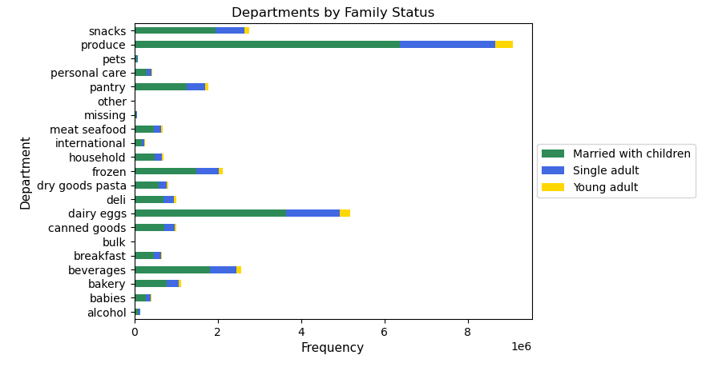
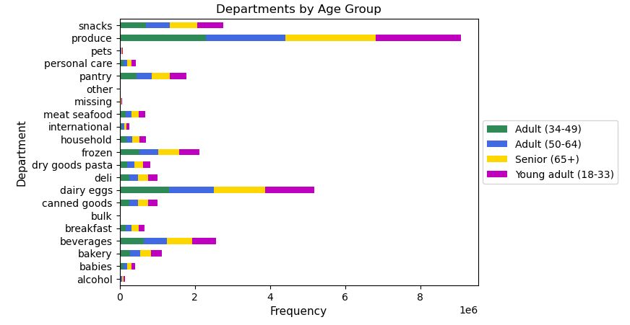
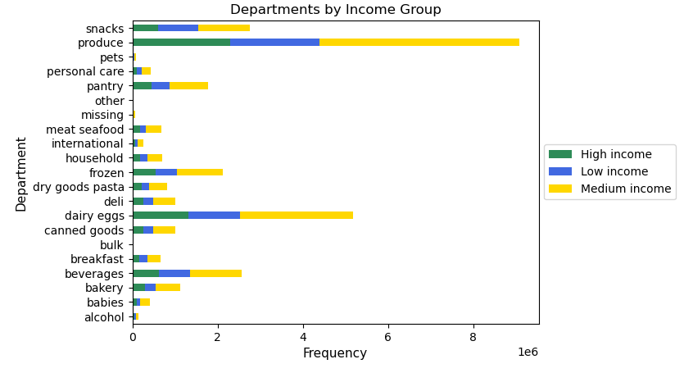
 |  |  |  |  |  |  |  |  | Title page

Visualisations

In this tab you should include all the visualtions from Exercises 4.9 and 4.10, alongside the questions from the project brief that they answer. Include any commentary on the relationship between different variables.

1. The sales team needs to know what the busiest days of the week and hours of the day are (i.e., the days and times with the most orders) in order to schedule ads at times when there are fewer orders.

 |  |  | The line graph shows that the busiest days are Saturday and Sunday. The least busy day is Thursday. |  |  | The histogram shows the frequency of orders by hour of the day. Lowest number of orders happens at 3am and peaks at 10am. The busiest time is from 10am to 4pm.

 |  |  |  | Orders by day of the week |  |  |  | Orders by hour of the day
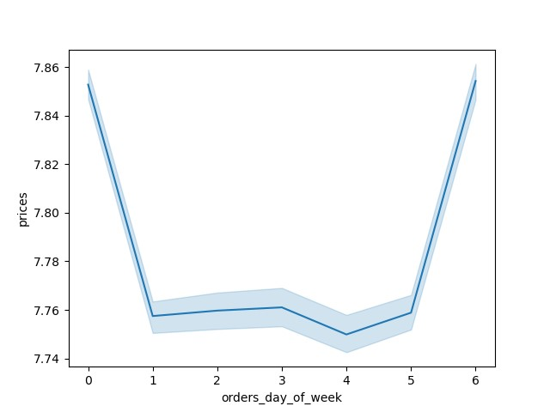

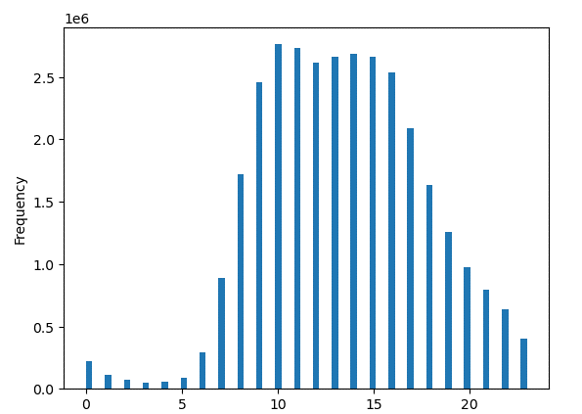

2. They also want to know whether there are particular times of the day when people spend the most money, as this might inform the type of products they advertise at these times.

 | Price levels seem to vary greatly in the early morning hours from midnight to 7am.
 | The most expensive items are purchase around midnight.
 | During peak shopping hours from 10am to 3pm, the prices are lower.

 |  |  |  |  | Prices by hour of the day


3. Instacart has a lot of products with different price tags. Marketing and sales want to use simpler price range groupings to help direct their efforts.

 |  |  | This histogram shows frequency of prices. Most prices falling between $2 and $15, and very few that are more than $15.

 |  |  |  |  | Prices Histogram


4. Are there certain types of products that are more popular than others? The marketing and sales teams want to know which departments have the highest frequency of product orders.

 |  |  | This graph shows the frequency of orders from each department. The most popular are produce, dairy eggs, and snacks. Least popular are pet care and bulk items.

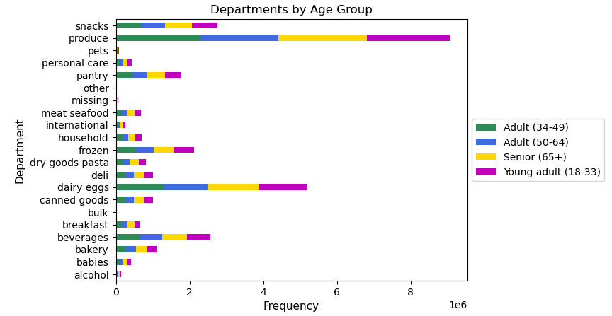

5. The marketing and sales teams are particularly interested in the different types of customers in their system and how their ordering behaviors differ.

 |  | Most customers are married with at least 1 child. |  |  |  |  | Most customers fall in the adult age range from age 34 to 64. |  |  |  | Most customers have a medium income ($68K to $128K). There are about the same number of customers with high and low incomes

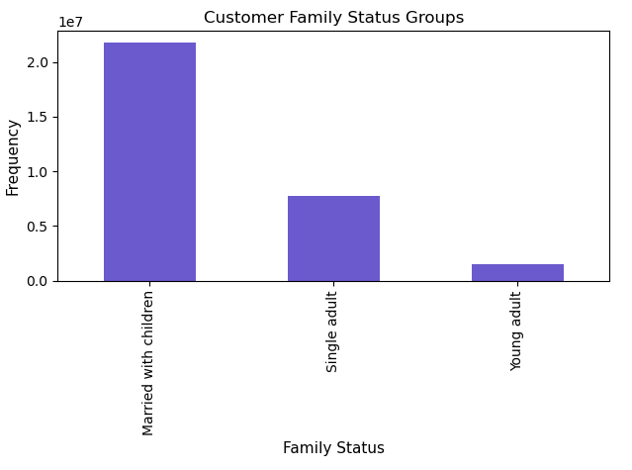
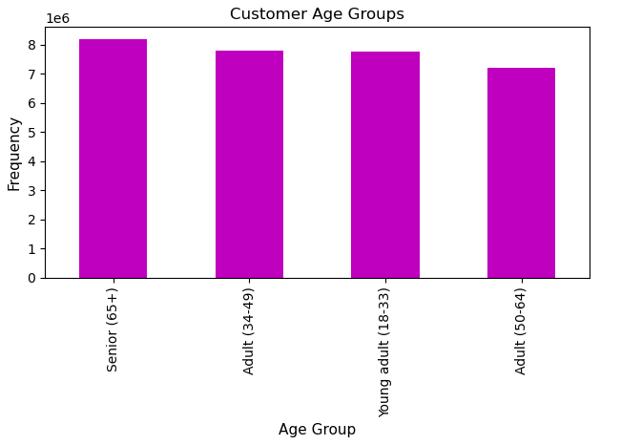
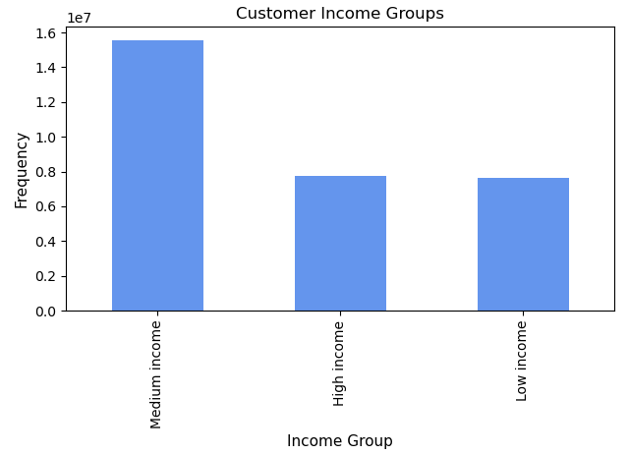

 |  |  | In terms of U.S. region, the West and South are the largest part of the customer base.
 |  |  | The Northeast region is the smallest part of the customer base.
 |  |  | The West and South regions have proportionally more customers who are married with children and who have a medium household income.

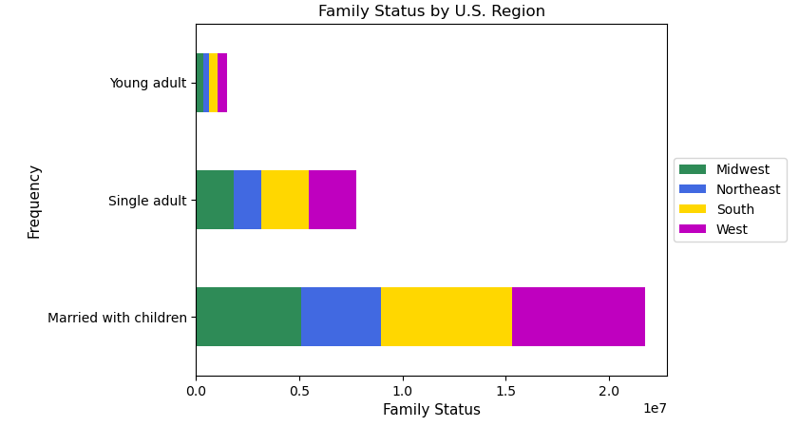
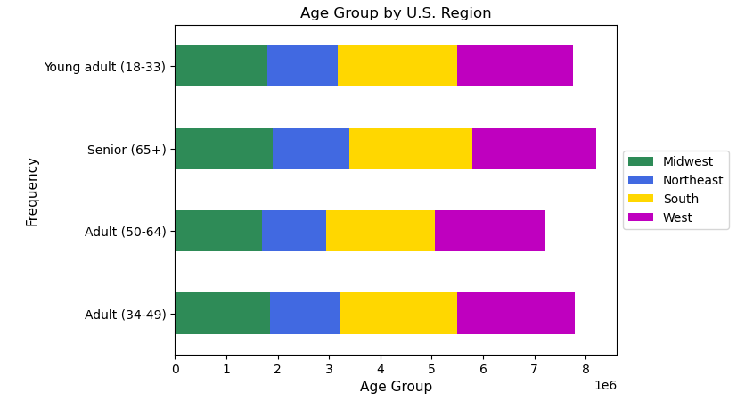
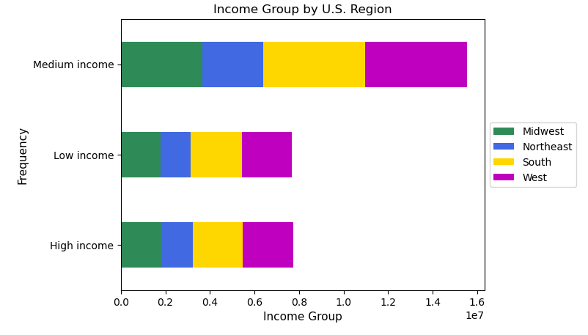

 |  | Customers who are married with children have the largest proportion of orders. |  |  |  |  |  |  |  | Age groups are spread fairly evenly across department types. |  | Most purchases are from households with a medium income.

7. Recommendations
 |  |  | Title page

Recommendations

In this tab you should include any recommendations you would made to Instcart in terms of their marketing strategy based on the questions posed in the brief. Every key question has been covered in the Tasks of the Exercises - here you need to add an item - a visualisation or table/crosstable that is showing the answer in the data, acompanied by a comment from you. Please, list the questions below and add the answer underneath.

Question |  | Recommendations
Key Question 1 | The sales team needs to know what the busiest days of the week and hours of the day are (i.e., the days and times with the most orders) in order to schedule ads at times when there are fewer orders. | The busiest days tend to be Saturday and Sunday, while the slowest days are Thursdays and Mondays. IC could consider running promotions or discounts on the slow days to attract customers. The peak hours tend to be from 10am to 3pm. IC could consider running an 'earlybird' promotion in the early morning (8am to 10am) and another 'happy hour' promotion in the evenings (4-7pm). This could attract potential customers who are going into or leaving work.
Key Question 2 | They also want to know whether there are particular times of the day when people spend the most money, as this might inform the type of products they advertise at these times. | Prices seem to vary greatly in the early morning hours from midnight to 7am. Prices tend to be the lowest around 10am and increase throughout the day peaking around 5pm and 9pm. This may be because most of the customer base are married people with children who do their shopping before going home or after children are asleep. IC could run advertisements or promotions targetting this demographic at those specific times in the evenings.
Key Question 3 | Instacart has a lot of products with different price tags. Marketing and sales want to use simpler price range groupings to help direct their efforts. | Most products purchased range between $2 and $15 with very few items greater than $15. Any promotions should focus on items in this price range.
Key Question 4 | Are there certain types of products that are more popular than others? The marketing and sales teams want to know which departments have the highest frequency of product orders. | The most popular are produce, dairy eggs, snacks, beverages, and pantry items. The least popular are pet care and bulk items.
Key Question 5 | The marketing and sales teams are particularly interested in the different types of customers in their system and how their ordering behaviors differ. | Most customers are adults age 34 to 64, married with at least 1 child, and have a medium income ($68K to $128K). In terms of region, the West and South are the largest part of the customer base, while the Northeast is the smallest. It makes sense that busy families are more likely to use IC because of the convenience of having groceries delivered. IC could consider a loyalty program to enroll families giving them access to lower delivery fees or targetted promotions.

